Summary
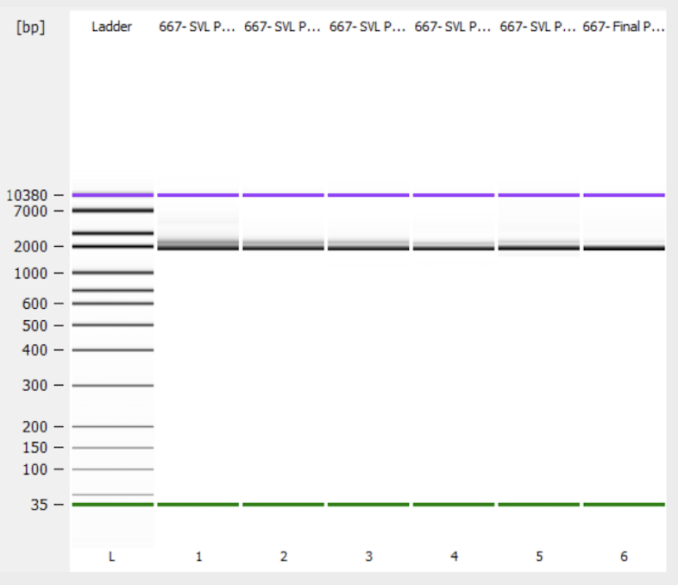
Library QC threshold | 90.0%
Site QC threshold | 75.0%
Variant QC threshold | 20.0%

Number of sites | 433
Sites passed | 432
Sites failed | 1
Sites pass rate | 99.77%

Mass (ng) | 20000

 | Pools per plate + fiinal pool (including all plates):

